Diagrams
BMS7 Temperature
 | Unprotected beam | Protected beam/column | Slab
0 | 20 | 20 | 20
1 | 349.21366576 | 250.44956603 | 168.14614959
2 | 444.50487788 | 317.15341451 | 211.02719504
3 | 502.28930299 | 357.60251209 | 237.03018635
4 | 543.88730926 | 386.72111648 | 255.74928917
5 | 576.41043057 | 409.4873014 | 270.38469376
6 | 603.11764761 | 428.18235333 | 282.40294142
7 | 625.77682521 | 444.04377764 | 292.59957134
8 | 645.45510804 | 457.81857563 | 301.45479862
9 | 662.84638674 | 469.99247072 | 309.28087403
10 | 678.42733151 | 480.89913206 | 316.29229918
11 | 692.53955229 | 490.7776866 | 322.64279853
12 | 705.43624832 | 499.80537383 | 328.44631174
13 | 717.31030818 | 508.11721573 | 333.78963868
14 | 728.312063 | 515.8184441 | 338.74042835
15 | 738.56095276 | 522.99266693 | 343.35242874
16 | 748.15345005 | 529.70741504 | 347.66905252
17 | 757.16859567 | 536.01801697 | 351.72586805
18 | 765.67196077 | 541.97037254 | 355.55238235
19 | 773.71854363 | 547.60298054 | 359.17334463
20 | 781.35492723 | 552.94844906 | 362.60971725
21 | 788.62091309 | 558.03463916 | 365.87941089
22 | 795.55077689 | 562.88554383 | 368.9978496
23 | 802.1742463 | 567.52197241 | 371.97841083
24 | 808.51727161 | 571.96209013 | 374.83277222
25 | 814.60263981 | 576.22184787 | 377.57118791
26 | 820.45046871 | 580.3153281 | 380.20271092
27 | 826.07860818 | 584.25502572 | 382.73537368
28 | 831.50296875 | 588.05207812 | 385.17633594
29 | 836.73779275 | 591.71645493 | 387.53200674
30 | 841.79587969 | 595.25711578 | 389.80814586
31 | 846.68877475 | 598.68214232 | 392.00994864
32 | 851.42692755 | 601.99884928 | 394.1421174
33 | 856.01982651 | 605.21387856 | 396.20892193
34 | 860.47611323 | 608.33327926 | 398.21425095
35 | 864.80368037 | 611.36257626 | 400.16165617
36 | 869.00975575 | 614.30682903 | 402.05439009
37 | 873.10097501 | 617.17068251 | 403.89543876
38 | 877.08344457 | 619.9584112 | 405.68755006
39 | 880.96279645 | 622.67395752 | 407.4332584
40 | 884.74423618 | 625.32096533 | 409.13490628
41 | 888.43258479 | 627.90280935 | 410.79466316
42 | 892.0323158 | 630.42262106 | 412.41454211
43 | 895.5475878 | 632.88331146 | 413.99641451
44 | 898.98227336 | 635.28759135 | 415.54202301
45 | 902.33998466 | 637.63798926 | 417.0529931
46 | 905.62409632 | 639.93686743 | 418.53084335
47 | 908.83776582 | 642.18643607 | 419.97699462
48 | 911.98395168 | 644.38876618 | 421.39277826
49 | 915.06542988 | 646.54580092 | 422.77944345
...

BMS7 Vertical displacements
 | Column top | Node 1 | Node 86 | Node 101 | Node 8 | Node 195 | Central node 93
0 | -0.0078919703917 | -0.0028451000671 | -0.11811614438 | -0.12443934246 | -0.13349439348 | -0.13349439357 | -0.36744898674
0 | -0.015788577895 | -0.0056898179668 | -0.23627806473 | -0.24892863242 | -0.26704769863 | -0.26704769881 | -0.73501342978
0 | -0.023689830743 | -0.0085341561269 | -0.35448571173 | -0.37346781991 | -0.40065995157 | -0.40065995183 | -1.1026928287
0 | -0.031595734674 | -0.011378114916 | -0.47273904032 | -0.49805686073 | -0.53433120505 | -0.5343312054 | -1.4704867512
0 | -0.039506295413 | -0.014221694704 | -0.59103800515 | -0.62269571039 | -0.66806151161 | -0.66806151205 | -1.838394764
0 | -0.047421518683 | -0.017064895871 | -0.70938256053 | -0.74738432406 | -0.80185092352 | -0.80185092405 | -2.206416433
0 | -0.055341410202 | -0.0199077188 | -0.82777266048 | -0.87212265655 | -0.93569949275 | -0.93569949336 | -2.5745513228
0 | -0.063265975684 | -0.022750163884 | -0.94620825865 | -0.99691066234 | -1.069607271 | -1.0696072717 | -2.9427989968
0 | -0.071195220838 | -0.025592231523 | -1.0646893084 | -1.1217482956 | -1.2035743097 | -1.2035743104 | -3.3111590176
0 | -0.07912915137 | -0.028433922123 | -1.1832157628 | -1.24663551 | -1.3376006599 | -1.3376006607 | -3.6796309464
0.125 | 3.6766335016 | 1.887312372 | -0.87688723504 | -1.1825593121 | -2.07119004 | -2.0691330876 | -13.947817256
0.25 | 5.9442368496 | 3.0435846779 | -0.37294907622 | -0.81559471147 | -2.6293293767 | -2.6301494677 | -18.821465401
0.375 | 7.5729275426 | 3.894300059 | -0.3246778381 | -0.90758771068 | -3.3430856363 | -3.3437000329 | -22.956062596
0.5 | 8.8448575292 | 4.5684295957 | -0.40637042477 | -1.1105235978 | -4.0719437372 | -4.072071854 | -26.497517374
0.625 | 9.8944050577 | 5.1287103946 | -0.49255054534 | -1.3015345118 | -4.7276997195 | -4.7277794811 | -29.494450389
0.75 | 10.788792805 | 5.610146365 | -0.56834768435 | -1.4733835292 | -5.3388102189 | -5.3389039355 | -32.094992797
0.875 | 11.569178065 | 6.0320548333 | -0.64110580852 | -1.6317682906 | -5.8921872851 | -5.89184741 | -34.380724392
1 | 12.25926252 | 6.4041891286 | -0.70345687124 | -1.7691838651 | -6.390373096 | -6.3898918 | -36.441186642
1.5 | 14.416236461 | 7.5680788626 | -0.94530820262 | -2.2524071746 | -8.1045769843 | -8.1089572222 | -43.027910315
2 | 16.0138962 | 8.4345676195 | -1.1245012186 | -2.6416337436 | -9.4325688535 | -9.4320780636 | -47.841282097
3 | 18.295145835 | 9.650026017 | -1.4436253112 | -3.2452595216 | -11.410119643 | -11.419748271 | -54.630720073
4 | 20.045022435 | 10.591295529 | -1.4639705357 | -3.4573135659 | -12.461177143 | -12.454306721 | -58.359784536
5 | 21.405212958 | 11.316751422 | -1.5574935113 | -3.6937986585 | -13.348998042 | -13.346264743 | -60.672250671
6 | 22.536358528 | 11.918485316 | -1.6845103919 | -3.9414114688 | -14.044165344 | -14.04069787 | -62.264732379
7 | 23.502955505 | 12.428887751 | -1.798182651 | -4.1522587412 | -14.603592132 | -14.593045963 | -63.825516929
8 | 24.350055759 | 12.871850279 | -1.9217406977 | -4.3555652117 | -15.025707409 | -15.017377172 | -65.128852527
9 | 25.102804892 | 13.260687548 | -2.0500205794 | -4.5449565884 | -15.347989636 | -15.34055345 | -66.202500779
10 | 25.782618511 | 13.607617398 | -2.1692455199 | -4.7183523993 | -15.580631996 | -15.570023661 | -67.230358256
11 | 26.398882264 | 13.918076219 | -2.2891530421 | -4.8772980194 | -15.757813785 | -15.748612542 | -68.266192894
12 | 26.964363795 | 14.207850118 | -2.3984521731 | -5.0298006851 | -15.979036552 | -15.966313036 | -69.61222229
13 | 27.48094599 | 14.493584104 | -2.5798148133 | -5.2816537737 | -16.448812992 | -16.443390244 | -71.446498139
14 | 27.950003973 | 14.745439422 | -2.7617672634 | -5.5251572589 | -16.89408127 | -16.871508636 | -73.311524916
15 | 28.386207541 | 14.983117395 | -2.9413178171 | -5.7654815227 | -17.332485472 | -17.322449146 | -75.183691611
16 | 28.799521805 | 15.206757265 | -3.1083156261 | -5.9856072006 | -17.725082156 | -17.709110839 | -77.068223787
17 | 29.184727101 | 15.410291024 | -3.2797616477 | -6.2065354048 | -18.056398301 | -18.040884469 | -77.842963467
18 | 29.547841811 | 15.601933441 | -3.45959672 | -6.4292229351 | -18.37166917 | -18.354449469 | -78.477839694
19 | 29.891895723 | 15.782818773 | -3.6381449617 | -6.6518771904 | -18.668547063 | -18.650887985 | -79.184289404
20 | 30.218119567 | 15.955896014 | -3.8192750468 | -6.8748219879 | -18.974954691 | -18.958025406 | -79.966268491
21 | 30.529156928 | 16.120267253 | -3.9979561669 | -7.0957601088 | -19.266725819 | -19.248613713 | -80.81621944
22 | 30.825128754 | 16.277473972 | -4.1825780446 | -7.3191968932 | -19.56361409 | -19.544490474 | -81.739891845
23 | 31.107310994 | 16.429598844 | -4.3670222384 | -7.546443523 | -19.883966118 | -19.865884395 | -82.493501769
24 | 31.37357944 | 16.576584384 | -4.5526959762 | -7.7794359022 | -20.260955125 | -20.24261468 | -82.873171988
25 | 31.627883915 | 16.717108884 | -4.7416504702 | -8.0139409493 | -20.638002388 | -20.619463436 | -83.257983544
26 | 31.870556871 | 16.851412351 | -4.9312244766 | -8.2503756021 | -21.017872415 | -20.999959045 | -83.654103109
27 | 32.10335464 | 16.981244436 | -5.1237503915 | -8.486870252 | -21.405253958 | -21.386588676 | -84.049774245
28 | 32.32688884 | 17.1064165 | -5.320263358 | -8.7264010887 | -21.793066406 | -21.775321198 | -84.467871585
29 | 32.54174611 | 17.227002233 | -5.520172894 | -8.9710210566 | -22.183156197 | -22.166616906 | -84.896777464
30 | 32.748082532 | 17.343307009 | -5.7250689736 | -9.2203200984 | -22.579983354 | -22.563380641 | -85.344373162
31 | 32.946872421 | 17.456382097 | -5.940080283 | -9.4827665883 | -22.987733984 | -22.97146126 | -85.809945627
32 | 33.141470732 | 17.563721055 | -6.1164493108 | -9.7024509788 | -23.330836962 | -23.316289565 | -86.233547792
...

BMS7 Axial force at central-node
 | Beam 48 | Beam 49
0 | -17595.249549 | -18579.401515
0 | -35199.126236 | -37167.923421
0 | -52811.608003 | -55765.539596
0 | -70432.666539 | -74372.219108
0 | -88062.273442 | -92987.930917
0 | -105700.40022 | -111612.64388
0 | -123347.0183 | -130246.32677
0 | -141002.099 | -148888.94826
0 | -158665.61358 | -167540.47692
0 | -176337.53319 | -186200.88124
0.125 | 298562.72751 | 292465.0718
0.25 | 583398.01659 | 580824.13589
0.375 | 759386.1936 | 757751.90131
0.5 | 881949.63003 | 880766.15381
0.625 | 974169.53511 | 973094.26738
0.75 | 1041491.3673 | 1040357.3072
0.875 | 1093008.2168 | 1091278.9351
1 | 1115125.8772 | 1110881.1298
1.5 | 1109441.6776 | 1103387.4307
2 | 1119539.7715 | 1113106.2701
3 | 962605.42279 | 954657.14582
4 | 958272.84634 | 950062.76054
5 | 921219.5677 | 912418.1076
6 | 866515.85202 | 857205.69701
7 | 811883.29932 | 802448.62928
8 | 750237.20515 | 740731.43484
9 | 684157.44523 | 674585.84916
10 | 625366.03598 | 615763.12009
11 | 567464.83657 | 557825.4324
12 | 520881.03128 | 511312.93128
13 | 489528.83513 | 480150.78094
14 | 460425.04369 | 451116.52321
15 | 432465.17863 | 423197.97266
16 | 405151.95717 | 395964.68239
17 | 376118.17117 | 366941.0733
18 | 345768.7106 | 336556.76358
19 | 316213.01158 | 306977.70177
20 | 293193.37974 | 283940.53948
21 | 272790.94968 | 263522.50494
22 | 252968.91493 | 243688.84486
23 | 236082.94669 | 226774.17739
24 | 224346.12916 | 215005.59809
25 | 212999.77323 | 203647.8807
26 | 202085.11162 | 192736.20768
27 | 191737.53073 | 182403.05352
28 | 181498.03624 | 172185.25684
29 | 170820.92443 | 161475.18648
30 | 160538.75757 | 151153.72273
31 | 150632.29878 | 141206.64482
32 | 141153.92623 | 131668.97705
...

Deflected shape
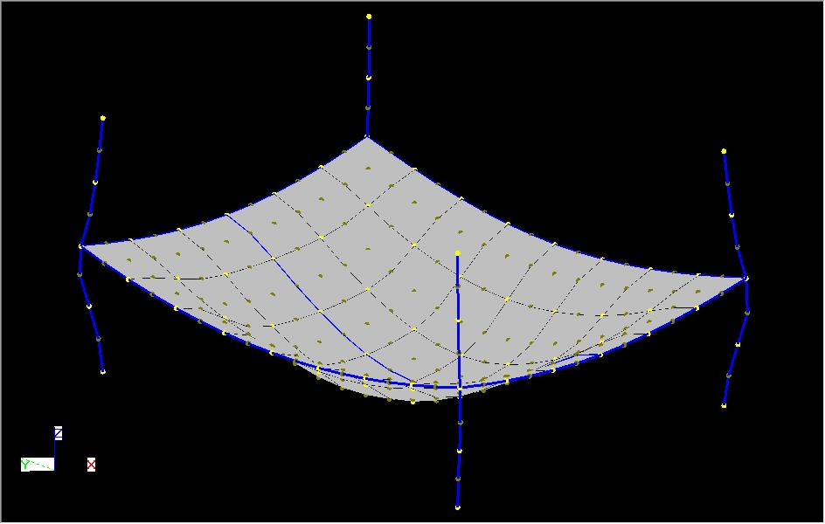
BMS7

NB. This displacments shown above are scale by a factor of 10 in all direction.

